Sheet1
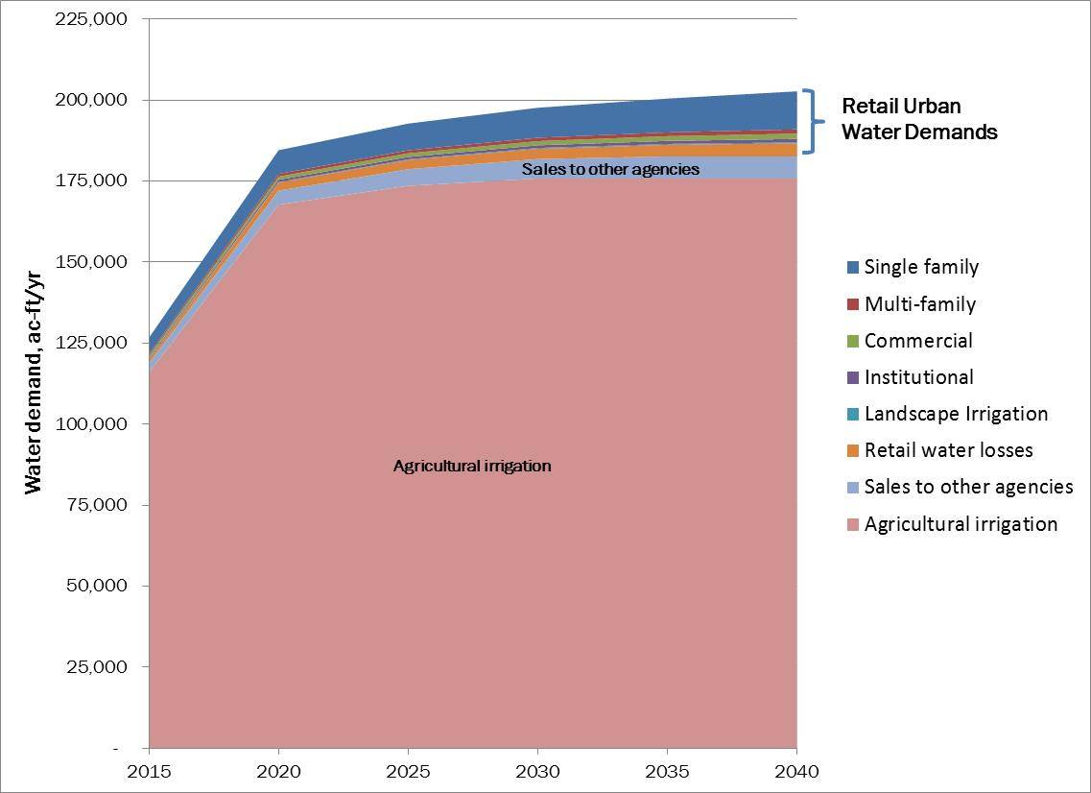
Data from NID
 | 2010 | 2011 | 2012 | 2013 | 2014 | 2015 | 2016 | 2017 | 2018 | NID Projected
treated | 9021 | 8672 | 9908 | 9496 | 8410 | 8521 | 7202 | 9124 | 9306
raw | 135741 | 132551 | 123090 | 112970 | 117556 | 118641 | 119385 | 118395 | 120763

Actual Usage combined raw and treated water 2010-2018 (2018 June estimate)
 | 2010 | 2011 | 2012 | 2013 | 2014 | 2015 | 2016 | 2017 | 2018
raw | 135741 | 132551 | 123090 | 112970 | 117556 | 118641 | 119385 | 118395 | 120763
treated | 9021 | 8672 | 9908 | 9496 | 8410 | 8521 | 7202 | 9124 | 9306
NID Actual Usage 2010-2018

 |  |  |  |  |  |  |  |  |  |  | o

Treated Water Usage 2010-2018
NID raw Water usage 2010-2018

